Tutorial Problem
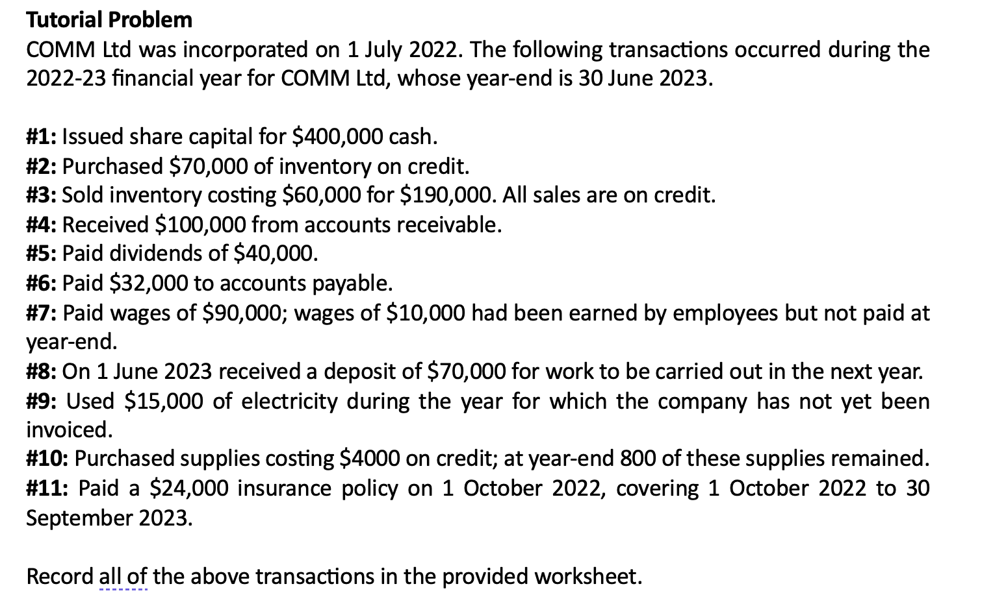

Transaction | Assets |  |  |  |  | Liabilities |  |  |  | Equity |  | Details of Retained Profits
 | Cash | Inventory | Accounts receivable | Supplies | Prepaid insurance | Accounts payable | Wages payable | Unearned revenue | Electricity payable | Share Capital | Retained Profits
#1
#2
#3

#4
#5
#6
#7
#8
#9
#10
#11
Total

